Indices

 | Iraq Stock Exchange
 | Bulletin No (5)
 | ISX Trading Indices of Sunday 11/1/2026

 | Traded Volume and OTC |  | 213,070,023 |  | Traded Value and OTC |  | 319,817,930 |  | Traders | 680
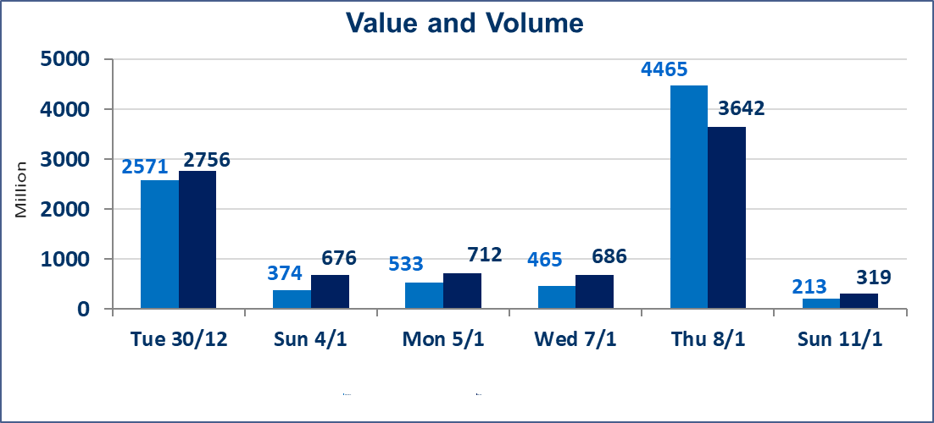
 | ISX Index 60 |  |  | 982.38 | ISX Index 15 |  |  | 1209.74
 | Previous ISX Index60 |  |  | 984.54 | Previous ISX Index15 |  |  | 1211.69
 | Change % |  |  | -0.22 | Change % |  |  | -0.16
 | Change |  |  | -2.16 | Change |  |  | -1.95

 | Listed Companies | 104 | OTC | 14 | Non Traded listed | 32 | OTC | 13
 | Traded Listed Companies | 56 | OTC | 1 | Higher Companies |  |  | 15
 | GAM Companies |  |  | 6 | Lower Companies |  |  | 11
 | Suspended Companies |  |  | 10
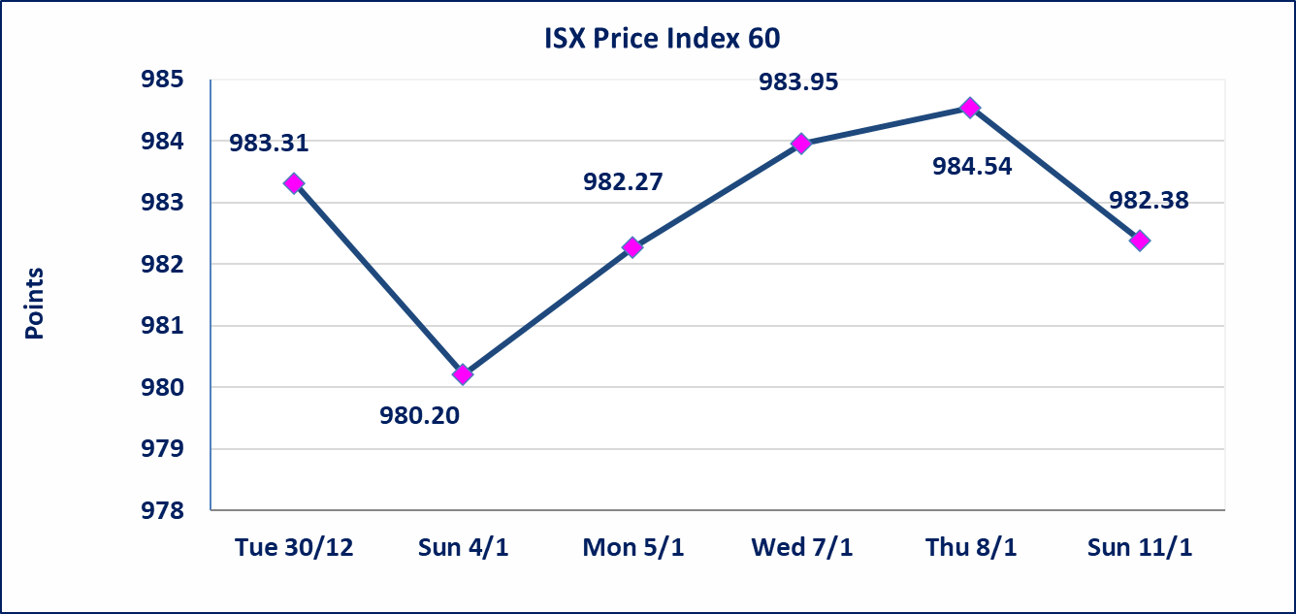
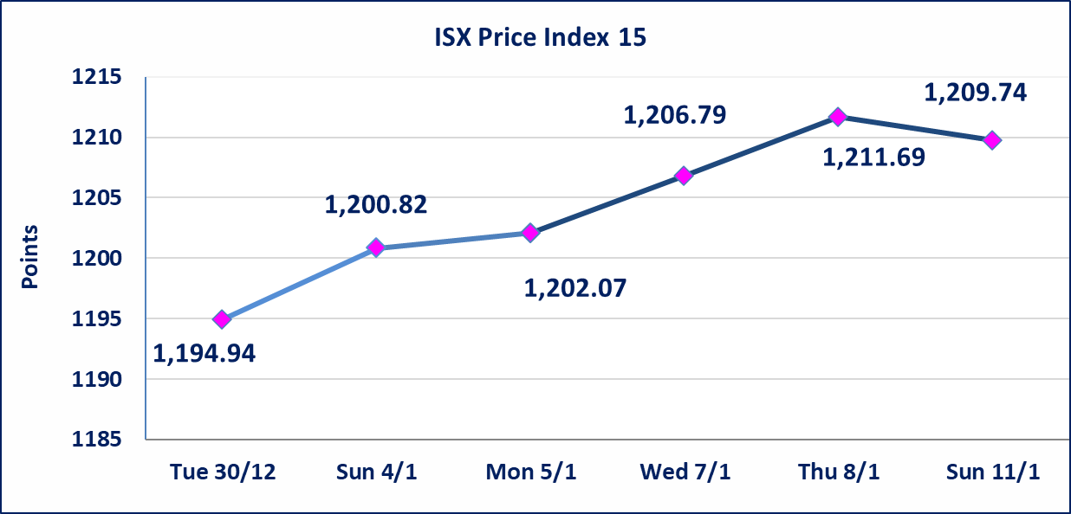

Al-Alwiya P.O . 3607 Mobile: 07711211522 - 07270094594 - 07834000034 E-mail: info-isx@isx-iq.net Web site:www.isx-iq.net

Top 5
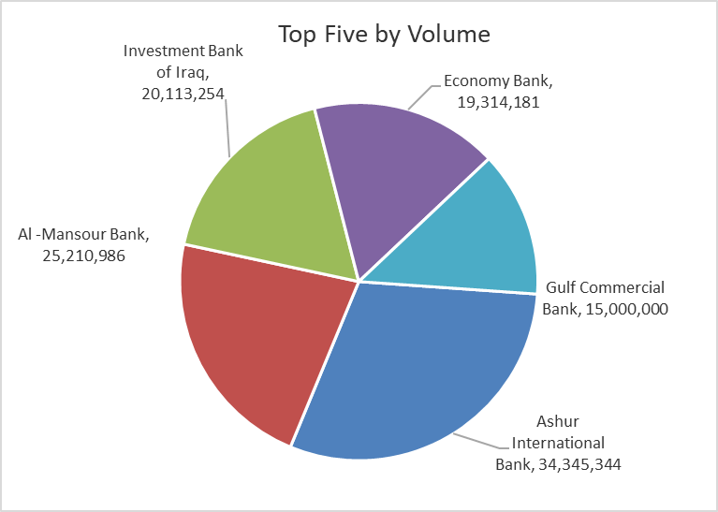
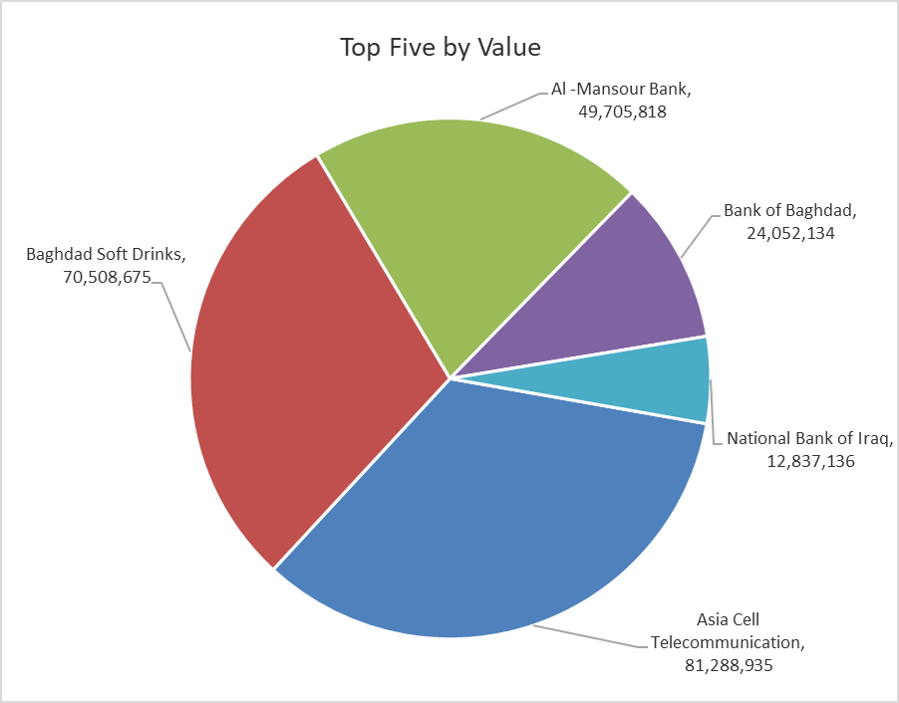
ISX top ganing and losing companies
Sunday 11/1/2026
 | Gainers |  |  |  | Losers
 | Company Name | Closing Price | Change (%) | Traded Volume | Company Name | Closing Price | Change (%) | Traded Volume
 | International Islamic Bank | 0.240 | 20.00 | 23,500 | Iraqi Carton Manufactories | 1.860 | -6.53 | 203,623
 | Babil Animal & Vegetable Production | 8.160 | 14.93 | 557,749 | Kharkh Tour Amuzement City | 4.300 | -6.52 | 10,000
 | Tourist Village of Mosul dam | 15.250 | 14.66 | 95,100 | Iraqi Date Processing and Marketing | 2.700 | -5.26 | 20,746
 | Al-Ameen Estate Investment | 2.300 | 6.48 | 1,209,708 | National Chemical &Plastic | 1.940 | -3.96 | 65,371
 | Palestine Hotel | 26.460 | 5.00 | 25,009 | Electronic Industry | 2.100 | -3.23 | 49,535
 | The most active companies in term of traded volume and value

 | Traded Volume |  |  |  | Traded Value
 | Company Name | Closing Price | Change (%) | Traded Volume | Company Name | Closing Price | Change (%) | Traded Value
 | Ashur International Bank | 0.300 | 0.00 | 34,345,344 | Asia Cell Telecommunication | 13.810 | -0.29 | 81,288,935
 | Al -Mansour Bank | 1.980 | 0.00 | 25,210,986 | Baghdad Soft Drinks | 5.790 | -1.03 | 70,508,675
 | Investment Bank of Iraq | 0.230 | 0.00 | 20,113,254 | Al -Mansour Bank | 1.980 | 0.00 | 49,705,818
 | Economy Bank | 0.230 | 0.00 | 19,314,181 | Bank of Baghdad | 3.420 | 0.59 | 24,052,134
 | Gulf Commercial Bank | 0.290 | 0.00 | 15,000,000 | National Bank of Iraq | 4.790 | 0.00 | 12,837,136

Non Iraqis

Iraq Stock Exchange
Non Iraqis' Bulletin Sunday jan 11 2026
Regular Market

Non Iraqi Trading of Regular Market (Buy)
Company Names | Code | No.of trades | Traded Shares | Trading Volume
Banks Sector
Ashur International Bank | BASH | 2 | 10,000 | 3,000
Total Bank sector |  | 2 | 10,000 | 3,000
Grand Total |  | 2 | 10,000 | 3,000

Non Iraqi Trading of Regular Market (Sell)
Company Names | Code | No.of trades | Traded Shares | Trading Volume
Banks Sector
Iraqi Islamic Bank | BIIB | 3 | 110,769 | 112,984
Total Bank sector |  | 3 | 110,769 | 112,984
Industry Sector
Baghdad Soft Drinks | IBSD | 8 | 1,102,976 | 6,419,320
Total Industry sector |  | 8 | 1,102,976 | 6,419,320
Grand Total |  | 11 | 1,213,745 | 6,532,305

